SCRIPT
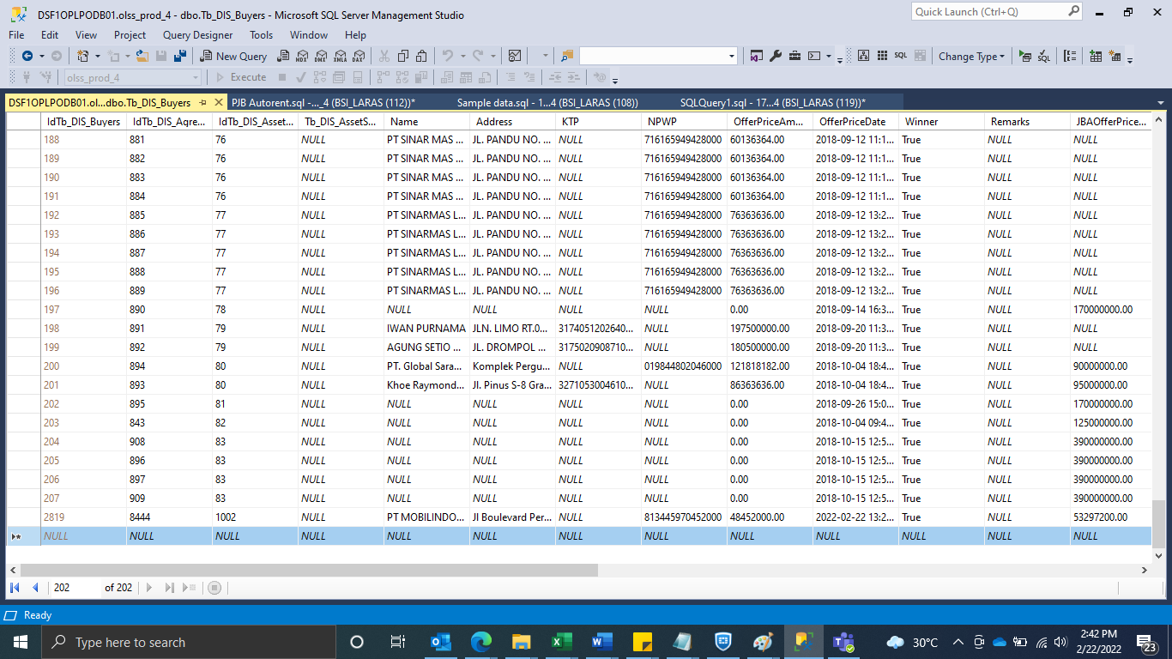
INSERT TB_DIS_BUYERS

SCREENSHOOT
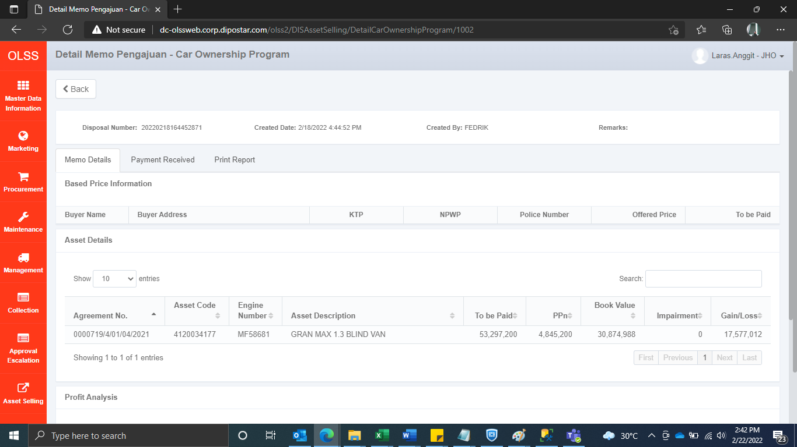
MEMO 00033/COP/02/2022
Before


AFTER

